P1
color | letter | trial_type | correct_key | key_respp.keys | key_respp.corr | key_respp.rt

red | x | Go | space | space | 1 | 0.63820270007
blue | x | NoGo | None | None | 1
red | x | Go | space | space | 1 | 0.3518358001 | Metric | Value
red | x | Go | space | space | 1 | 0.41060020006 | Go Accuracy (%) | 98.039215686
red | x | Go | space | space | 1 | 0.32632680004 | Go Mean RT (s) | 0.40283159201
blue | x | NoGo | None | space | 0 | 0.6399983 | No-Go Accuracy (%) | 93.87755102
blue | x | NoGo | None | None | 1 |  | Commission Error Rate (%) | 6.1224489796
blue | x | NoGo | None | None | 1 |  | No-Go Error RT (s) | 0.46014949998
GO ACCURACY AND RT
NO-GO
red | x | Go | space | space | 1 | 0.45404099999
blue | x | NoGo | None | space | 0 | 0.38189930003
blue | x | NoGo | None | None | 1
blue | x | NoGo | None | None | 1
blue | x | NoGo | None | None | 1
red | x | Go | space | space | 1 | 0.48555570003
blue | x | NoGo | None | None | 1
blue | x | NoGo | None | space | 0 | 0.35855089989
blue | x | NoGo | None | None | 1
red | x | Go | space | space | 1 | 0.34744639997
red | x | Go | space | space | 1 | 0.39715730003
red | x | Go | space | space | 1 | 0.3744322001
blue | x | NoGo | None | None | 1
red | x | Go | space | space | 1 | 0.35089530004
red | x | Go | space | space | 1 | 0.36019639997
red | x | Go | space | space | 1 | 0.38977020001
red | x | Go | space | space | 1 | 0.41759610013
blue | x | NoGo | None | None | 1
blue | x | NoGo | None | None | 1
blue | x | NoGo | None | None | 1
blue | x | NoGo | None | None | 1
red | x | Go | space | space | 1 | 0.46689689998
blue | x | NoGo | None | None | 1
red | x | Go | space | space | 1 | 0.42926699994
blue | x | NoGo | None | None | 1
red | x | Go | space | space | 1 | 0.36973370006
red | x | Go | space | space | 1 | 0.37763309991
red | x | Go | space | space | 1 | 0.31992929988
blue | x | NoGo | None | None | 1
red | x | Go | space | space | 1 | 0.3613605001
blue | x | NoGo | None | None | 1
red | x | Go | space | space | 1 | 0.28728449997
red | x | Go | space | space | 1 | 0.3645114
red | x | Go | space | space | 1 | 0.32086770004
blue | x | NoGo | None | None | 1
blue | x | NoGo | None | None | 1
red | x | Go | space | space | 1 | 0.47260680003
red | x | Go | space | space | 1 | 0.36569699994
red | x | Go | space | space | 1 | 0.3806553001
blue | x | NoGo | None | None | 1
red | x | Go | space | space | 1 | 0.47670520004
blue | x | NoGo | None | None | 1
red | x | Go | space | space | 1 | 0.35576539999
red | x | Go | space | space | 1 | 0.39299579989
blue | x | NoGo | None | None | 1
red | x | Go | space | space | 1 | 0.57188629988
red | x | Go | space | space | 1 | 0.3336569001
blue | x | NoGo | None | None | 1
red | x | Go | space | space | 1 | 0.37767770002
blue | x | NoGo | None | None | 1
red | x | Go | space | space | 1 | 0.40859430004
blue | x | NoGo | None | None | 1
red | x | Go | space | space | 1 | 0.42886109999
red | x | Go | space | space | 1 | 0.61340699997
blue | x | NoGo | None | None | 1
red | x | Go | space | space | 1 | 0.35123139992
blue | x | NoGo | None | None | 1
blue | x | NoGo | None | None | 1
red | x | Go | space | space | 1 | 0.44443429983
blue | x | NoGo | None | None | 1
blue | x | NoGo | None | None | 1
red | x | Go | space | space | 1 | 0.38220490003
blue | x | NoGo | None | None | 1
red | x | Go | space | space | 1 | 0.39627010003
red | x | Go | space | space | 1 | 0.34864310012
blue | x | NoGo | None | None | 1
red | x | Go | space | space | 1 | 0.39857810014
red | x | Go | space | None | 0
red | x | Go | space | space | 1 | 0.37266879994
blue | x | NoGo | None | None | 1
blue | x | NoGo | None | None | 1
blue | x | NoGo | None | None | 1
blue | x | NoGo | None | None | 1
blue | x | NoGo | None | None | 1
red | x | Go | space | space | 1 | 0.39539419999
blue | x | NoGo | None | None | 1
red | x | Go | space | space | 1 | 0.42465619999
blue | x | NoGo | None | None | 1
red | x | Go | space | space | 1 | 0.48676739982
blue | x | NoGo | None | None | 1
blue | x | NoGo | None | None | 1
blue | x | NoGo | None | None | 1
blue | x | NoGo | None | None | 1
red | x | Go | space | space | 1 | 0.43804020016
red | x | Go | space | space | 1 | 0.49391130009
red | x | Go | space | space | 1 | 0.30767229991
blue | x | NoGo | None | None | 1
red | x | Go | space | space | 1 | 0.40585110011
blue | x | NoGo | None | None | 1
red | x | Go | space | space | 1 | 0.39896899997
blue | x | NoGo | None | None | 1
red | x | Go | space | space | 1 | 0.31623820006

P2
color | letter | trial_type | correct_key | key_respp.keys | key_respp.corr | key_respp.rt

red | x | Go | space | space | 1 | 0.43320770003
blue | x | NoGo | None | None | 1
blue | x | NoGo | None | None | 1 |  | Metric | Value
blue | x | NoGo | None | None | 1 |  | Go Accuracy (%) | 100
blue | x | NoGo | None | None | 1 |  | Go Mean RT (s) | 0.3819037902
red | x | Go | space | space | 1 | 0.30981429992 | No-Go Accuracy (%) | 97.959183673
red | x | Go | space | space | 1 | 0.38274260005 | Commission Error Rate (%) | 2.0408163265
blue | x | NoGo | None | None | 1 |  | No-Go Error RT (s) | 0.38227350009
red | x | Go | space | space | 1 | 0.41020349995
blue | x | NoGo | None | None | 1
GO ACCURACY AND RT
Go Accuracy (%) | 100 | 98.039215686
Go Mean RT (s) | 0.3819037902 | 0.40283159201
NO-GO
No-Go Accuracy (%) | 97.959183673 | 93.87755102
Commission Error Rate (%) | 2.0408163265 | 6.1224489796
No-Go Error RT (s) | 0.38227350009 | 0.46014949998
red | x | Go | space | space | 1 | 0.3648198999
red | x | Go | space | space | 1 | 0.4290632999
red | x | Go | space | space | 1 | 0.30278729997
blue | x | NoGo | None | None | 1
red | x | Go | space | space | 1 | 0.29784910008
red | x | Go | space | space | 1 | 0.43787869997
blue | x | NoGo | None | None | 1
red | x | Go | space | space | 1 | 0.35161100002
blue | x | NoGo | None | None | 1
blue | x | NoGo | None | None | 1
blue | x | NoGo | None | None | 1
red | x | Go | space | space | 1 | 0.4090743002
red | x | Go | space | space | 1 | 0.37672440009
blue | x | NoGo | None | None | 1
red | x | Go | space | space | 1 | 0.39512320003
red | x | Go | space | space | 1 | 0.41501739994
red | x | Go | space | space | 1 | 0.39535750006
blue | x | NoGo | None | None | 1
blue | x | NoGo | None | None | 1
blue | x | NoGo | None | None | 1
blue | x | NoGo | None | None | 1
red | x | Go | space | space | 1 | 0.39905729983
blue | x | NoGo | None | None | 1
red | x | Go | space | space | 1 | 0.37439649994
red | x | Go | space | space | 1 | 0.4820075999
red | x | Go | space | space | 1 | 0.38326989999
red | x | Go | space | space | 1 | 0.37029249989
red | x | Go | space | space | 1 | 0.39708589995
red | x | Go | space | space | 1 | 0.37417540001
blue | x | NoGo | None | None | 1
red | x | Go | space | space | 1 | 0.4064032
red | x | Go | space | space | 1 | 0.39067959995
blue | x | NoGo | None | None | 1
blue | x | NoGo | None | None | 1
red | x | Go | space | space | 1 | 0.36338210013
red | x | Go | space | space | 1 | 0.43308510003
blue | x | NoGo | None | None | 1
red | x | Go | space | space | 1 | 0.37042699987
red | x | Go | space | space | 1 | 0.43834639993
red | x | Go | space | space | 1 | 0.37060040003
red | x | Go | space | space | 1 | 0.40737010003
blue | x | NoGo | None | None | 1
red | x | Go | space | space | 1 | 0.30848489981
red | x | Go | space | space | 1 | 0.39117059996
blue | x | NoGo | None | None | 1
blue | x | NoGo | None | None | 1
red | x | Go | space | space | 1 | 0.36180419987
red | x | Go | space | space | 1 | 0.46553270007
red | x | Go | space | space | 1 | 0.42200490017
blue | x | NoGo | None | None | 1
red | x | Go | space | space | 1 | 0.39454900008
blue | x | NoGo | None | None | 1
blue | x | NoGo | None | None | 1
red | x | Go | space | space | 1 | 0.30273399991
red | x | Go | space | space | 1 | 0.43397969985
blue | x | NoGo | None | None | 1
blue | x | NoGo | None | None | 1
blue | x | NoGo | None | None | 1
blue | x | NoGo | None | None | 1
blue | x | NoGo | None | None | 1
red | x | Go | space | space | 1 | 0.36459190003
red | x | Go | space | space | 1 | 0.43491180008
red | x | Go | space | space | 1 | 0.30966190016
blue | x | NoGo | None | None | 1
blue | x | NoGo | None | None | 1
red | x | Go | space | space | 1 | 0.29067760007
blue | x | NoGo | None | None | 1
red | x | Go | space | space | 1 | 0.36870380002
blue | x | NoGo | None | None | 1
blue | x | NoGo | None | None | 1
blue | x | NoGo | None | space | 0 | 0.38227350009
blue | x | NoGo | None | None | 1
red | x | Go | space | space | 1 | 0.36792860017
blue | x | NoGo | None | None | 1
blue | x | NoGo | None | None | 1
blue | x | NoGo | None | None | 1
blue | x | NoGo | None | None | 1
blue | x | NoGo | None | None | 1
red | x | Go | space | space | 1 | 0.39463400003
red | x | Go | space | space | 1 | 0.30618930003
red | x | Go | space | space | 1 | 0.35581450001
red | x | Go | space | space | 1 | 0.33717810013
blue | x | NoGo | None | None | 1
blue | x | NoGo | None | None | 1
blue | x | NoGo | None | None | 1
blue | x | NoGo | None | None | 1
red | x | Go | space | space | 1 | 0.45778040006
red | x | Go | space | space | 1 | 0.4170895
blue | x | NoGo | None | None | 1
red | x | Go | space | space | 1 | 0.31981869997

P3
color | letter | trial_type | correct_key | key_respp.keys | key_respp.corr | key_respp.rt

red | x | Go | space | space | 1 | 0.31822549994
red | x | Go | space | space | 1 | 0.34150670003
blue | x | NoGo | None | None | 1 |  | Metric | Value
red | x | Go | space | space | 1 | 0.36666700011 | Go Accuracy (%) | 98.039215686
red | x | Go | space | space | 1 | 0.32224260014 | Go Mean RT (s) | 0.39242084801
red | x | Go | space | space | 1 | 0.38302580011 | No-Go Accuracy (%) | 81.632653061
blue | x | NoGo | None | space | 0 | 0.41454860009 | Commission Error Rate (%) | 18.367346939
red | x | Go | space | space | 1 | 1.0609060999 | No-Go Error RT (s) | 0.38376822227
blue | x | NoGo | None | None | 1
GO ACCURACY AND RT
Go Accuracy (%) | 98.039215686 | 100 | 98.039215686
Go Mean RT (s) | 0.39242084801 | 0.3819037902 | 0.40283159201
NO-GO
No-Go Accuracy (%) | 81.632653061 | 97.959183673 | 93.87755102
Commission Error Rate (%) | 18.367346939 | 2.0408163265 | 6.1224489796
No-Go Error RT (s) | 0.38376822227 | 0.38227350009 | 0.46014949998
red | x | Go | space | space | 1 | 0.34822689998
blue | x | NoGo | None | space | 0 | 0.51827850007
blue | x | NoGo | None | space | 0 | 0.38231969997
blue | x | NoGo | None | space | 0 | 0.44603420002
red | x | Go | space | None | 0
blue | x | NoGo | None | space | 0 | 0.33519449993
red | x | Go | space | space | 1 | 0.71964460006
red | x | Go | space | space | 1 | 0.3539779
red | x | Go | space | space | 1 | 0.32993729995
blue | x | NoGo | None | None | 1
red | x | Go | space | space | 1 | 0.41531699989
red | x | Go | space | space | 1 | 0.31386890006
blue | x | NoGo | None | space | 0 | 0.33548680018
red | x | Go | space | space | 1 | 0.33680819999
blue | x | NoGo | None | None | 1
red | x | Go | space | space | 1 | 0.37934969994
blue | x | NoGo | None | None | 1
blue | x | NoGo | None | None | 1
blue | x | NoGo | None | None | 1
red | x | Go | space | space | 1 | 0.38243799983
red | x | Go | space | space | 1 | 0.30990529992
red | x | Go | space | space | 1 | 0.33793250006
red | x | Go | space | space | 1 | 0.35111359996
red | x | Go | space | space | 1 | 0.29899379984
red | x | Go | space | space | 1 | 0.23149410007
red | x | Go | space | space | 1 | 0.20899980003
blue | x | NoGo | None | space | 0 | 0.21533700009
blue | x | NoGo | None | None | 1
blue | x | NoGo | None | None | 1
red | x | Go | space | space | 1 | 0.41202970012
red | x | Go | space | space | 1 | 0.32552169985
blue | x | NoGo | None | None | 1
blue | x | NoGo | None | space | 0 | 0.45475669997
red | x | Go | space | space | 1 | 0.38075529994
blue | x | NoGo | None | None | 1
blue | x | NoGo | None | None | 1
blue | x | NoGo | None | None | 1
red | x | Go | space | space | 1 | 0.43368250015
red | x | Go | space | space | 1 | 0.32582100015
red | x | Go | space | space | 1 | 0.36940560001
blue | x | NoGo | None | None | 1
red | x | Go | space | space | 1 | 0.36851080018
red | x | Go | space | space | 1 | 0.57159000007
red | x | Go | space | space | 1 | 0.33459599991
red | x | Go | space | space | 1 | 0.4042752001
blue | x | NoGo | None | None | 1
blue | x | NoGo | None | None | 1
blue | x | NoGo | None | None | 1
red | x | Go | space | space | 1 | 0.39019269985
blue | x | NoGo | None | None | 1
red | x | Go | space | space | 1 | 0.37604880007
red | x | Go | space | space | 1 | 0.35621930007
red | x | Go | space | space | 1 | 0.3274199001
blue | x | NoGo | None | None | 1
blue | x | NoGo | None | None | 1
red | x | Go | space | space | 1 | 0.36051539984
red | x | Go | space | space | 1 | 0.41923530004
blue | x | NoGo | None | None | 1
blue | x | NoGo | None | None | 1
blue | x | NoGo | None | None | 1
blue | x | NoGo | None | None | 1
blue | x | NoGo | None | None | 1
red | x | Go | space | space | 1 | 0.47139770002
blue | x | NoGo | None | None | 1
blue | x | NoGo | None | None | 1
blue | x | NoGo | None | None | 1
red | x | Go | space | space | 1 | 0.43915050011
blue | x | NoGo | None | None | 1
red | x | Go | space | space | 1 | 0.47135869996
red | x | Go | space | space | 1 | 0.31456640013
blue | x | NoGo | None | None | 1
red | x | Go | space | space | 1 | 0.33154070005
blue | x | NoGo | None | None | 1
red | x | Go | space | space | 1 | 0.35427249991
red | x | Go | space | space | 1 | 0.33743999992
blue | x | NoGo | None | space | 0 | 0.3519580001
blue | x | NoGo | None | None | 1
blue | x | NoGo | None | None | 1
blue | x | NoGo | None | None | 1
red | x | Go | space | space | 1 | 0.50020919996
blue | x | NoGo | None | None | 1
red | x | Go | space | space | 1 | 0.45368700009
blue | x | NoGo | None | None | 1
red | x | Go | space | space | 1 | 0.42481780006
blue | x | NoGo | None | None | 1
red | x | Go | space | space | 1 | 0.42659650021
blue | x | NoGo | None | None | 1
blue | x | NoGo | None | None | 1
red | x | Go | space | space | 1 | 0.41987639992
red | x | Go | space | space | 1 | 0.40972850006
blue | x | NoGo | None | None | 1

P4
color | letter | trial_type | correct_key | key_respp.keys | key_respp.corr | key_respp.rt

red | x | Go | space | space | 1 | 0.43369870004
red | x | Go | space | space | 1 | 0.35534929996
red | x | Go | space | space | 1 | 0.38985419995 | Metric | Value
blue | x | NoGo | None | None | 1 |  | Go Accuracy (%) | 100
blue | x | NoGo | None | None | 1 |  | Go Mean RT (s) | 0.4253060255
blue | x | NoGo | None | None | 1 |  | No-Go Accuracy (%) | 93.87755102
blue | x | NoGo | None | None | 1 |  | Commission Error Rate (%) | 6.1224489796
blue | x | NoGo | None | None | 1 |  | No-Go Error RT (s) | 0.43411823331
red | x | Go | space | space | 1 | 0.49098120001
GO ACCURACY AND RT
Go Accuracy (%) | 100 | 98.039215686 | 100 | 98.039215686
Go Mean RT (s) | 0.4253060255 | 0.39242084801 | 0.3819037902 | 0.40283159201
NO-GO
No-Go Accuracy (%) | 93.87755102 | 81.632653061 | 97.959183673 | 93.87755102
Commission Error Rate (%) | 6.1224489796 | 18.367346939 | 2.0408163265 | 6.1224489796
No-Go Error RT (s) | 0.43411823331 | 0.38376822227 | 0.38227350009 | 0.46014949998
blue | x | NoGo | None | None | 1
red | x | Go | space | space | 1 | 0.45753999986
blue | x | NoGo | None | None | 1
red | x | Go | space | space | 1 | 0.3138786999
red | x | Go | space | space | 1 | 0.37995230011
red | x | Go | space | space | 1 | 0.41404519998
blue | x | NoGo | None | None | 1
blue | x | NoGo | None | None | 1
red | x | Go | space | space | 1 | 0.68009989988
red | x | Go | space | space | 1 | 0.42873829999
blue | x | NoGo | None | None | 1
blue | x | NoGo | None | None | 1
blue | x | NoGo | None | None | 1
red | x | Go | space | space | 1 | 0.38612220017
blue | x | NoGo | None | None | 1
blue | x | NoGo | None | None | 1
red | x | Go | space | space | 1 | 0.5553464999
blue | x | NoGo | None | None | 1
blue | x | NoGo | None | None | 1
red | x | Go | space | space | 1 | 0.32723980001
blue | x | NoGo | None | None | 1
blue | x | NoGo | None | None | 1
blue | x | NoGo | None | None | 1
blue | x | NoGo | None | None | 1
red | x | Go | space | space | 1 | 0.46147329989
red | x | Go | space | space | 1 | 0.37772029988
red | x | Go | space | space | 1 | 0.78190669999
blue | x | NoGo | None | None | 1
blue | x | NoGo | None | None | 1
blue | x | NoGo | None | None | 1
red | x | Go | space | space | 1 | 0.50312050013
blue | x | NoGo | None | None | 1
red | x | Go | space | space | 1 | 0.34413560014
red | x | Go | space | space | 1 | 0.69607549999
red | x | Go | space | space | 1 | 0.3737152
red | x | Go | space | space | 1 | 0.30842859996
red | x | Go | space | space | 1 | 0.28908180003
red | x | Go | space | space | 1 | 0.31717319996
red | x | Go | space | space | 1 | 0.30506350007
red | x | Go | space | space | 1 | 0.29643180012
blue | x | NoGo | None | None | 1
blue | x | NoGo | None | None | 1
blue | x | NoGo | None | None | 1
blue | x | NoGo | None | None | 1
blue | x | NoGo | None | None | 1
red | x | Go | space | space | 1 | 0.36728690006
red | x | Go | space | space | 1 | 0.33479180001
red | x | Go | space | space | 1 | 0.33019599994
blue | x | NoGo | None | None | 1
blue | x | NoGo | None | space | 0 | 0.27641459997
blue | x | NoGo | None | space | 0 | 0.47232010006
red | x | Go | space | space | 1 | 0.52453599987
red | x | Go | space | space | 1 | 0.32130880002
red | x | Go | space | space | 1 | 0.33528640005
blue | x | NoGo | None | space | 0 | 0.5536199999
red | x | Go | space | space | 1 | 0.320481
red | x | Go | space | space | 1 | 0.34569069999
blue | x | NoGo | None | None | 1
blue | x | NoGo | None | None | 1
red | x | Go | space | space | 1 | 1.6270513001
red | x | Go | space | space | 1 | 0.41808920004
blue | x | NoGo | None | None | 1
red | x | Go | space | space | 1 | 0.26526440005
blue | x | NoGo | None | None | 1
red | x | Go | space | space | 1 | 0.38533620001
blue | x | NoGo | None | None | 1
blue | x | NoGo | None | None | 1
blue | x | NoGo | None | None | 1
blue | x | NoGo | None | None | 1
red | x | Go | space | space | 1 | 0.45335209998
blue | x | NoGo | None | None | 1
red | x | Go | space | space | 1 | 0.34030129993
red | x | Go | space | space | 1 | 0.49280790007
red | x | Go | space | space | 1 | 0.42198939994
blue | x | NoGo | None | None | 1
blue | x | NoGo | None | None | 1
blue | x | NoGo | None | None | 1
red | x | Go | space | space | 1 | 0.37110430002
blue | x | NoGo | None | None | 1
red | x | Go | space | space | 1 | 0.34284300008
red | x | Go | space | space | 1 | 0.54560149997
red | x | Go | space | space | 1 | 0.34868950001
red | x | Go | space | space | 1 | 0.35942450003
blue | x | NoGo | None | None | 1
red | x | Go | space | space | 1 | 0.29859769996
red | x | Go | space | space | 1 | 0.34823000012
red | x | Go | space | space | 1 | 0.34880169993
blue | x | NoGo | None | None | 1
blue | x | NoGo | None | None | 1
red | x | Go | space | space | 1 | 0.30907890014
red | x | Go | space | space | 1 | 0.46729449998

P5
color | letter | trial_type | correct_key | key_respp.corr | key_respp.rt | key_respp.duration

red | x | Go | space | 1 | 0.3827163002 | None
blue | x | NoGo | None | 1 |  |  | Metric | Value
red | x | Go | space | 1 | 0.30484240013 | None | Go Accuracy (%) | 100
blue | x | NoGo | None | 1 |  |  | Go Mean RT (s) | 0.38239742552
red | x | Go | space | 1 | 0.37957139988 | None | No-Go Accuracy (%) | 83.673469388
blue | x | NoGo | None | 1 |  |  | Commission Error Rate (%) | 16.326530612
blue | x | NoGo | None | 1 |  |  | No-Go Error RT (s) | 0.48568208746
red | x | Go | space | 1 | 0.38948810007 | None
GO ACCURACY AND RT
Go Accuracy (%) | 100 | 100 | 98.039215686 | 100 | 98.039215686
Go Mean RT (s) | 0.38239742552 | 0.4253060255 | 0.39242084801 | 0.3819037902 | 0.40283159201
NO-GO
No-Go Accuracy (%) | 83.673469388 | 93.87755102 | 81.632653061 | 97.959183673 | 93.87755102
Commission Error Rate (%) | 16.326530612 | 6.1224489796 | 18.367346939 | 2.0408163265 | 6.1224489796
No-Go Error RT (s) | 0.48568208746 | 0.43411823331 | 0.38376822227 | 0.38227350009 | 0.46014949998
blue | x | NoGo | None | 1
red | x | Go | space | 1 | 0.37353749992 | None
red | x | Go | space | 1 | 0.42497760011 | None
red | x | Go | space | 1 | 0.35262900009 | None
blue | x | NoGo | None | 1
red | x | Go | space | 1 | 0.40510009998 | None
blue | x | NoGo | None | 1
red | x | Go | space | 1 | 0.31899319985 | None
blue | x | NoGo | None | 0 | 0.43644850003 | None
blue | x | NoGo | None | 0 | 0.58749139984 | None
red | x | Go | space | 1 | 0.44646629994 | None
blue | x | NoGo | None | 1
red | x | Go | space | 1 | 0.3875349001 | None
red | x | Go | space | 1 | 0.34097180003 | None
blue | x | NoGo | None | 1
blue | x | NoGo | None | 1
blue | x | NoGo | None | 1
blue | x | NoGo | None | 1
red | x | Go | space | 1 | 0.31898410013 | None
blue | x | NoGo | None | 1
blue | x | NoGo | None | 1
red | x | Go | space | 1 | 0.36688800016 | None
red | x | Go | space | 1 | 0.36208719993 | None
red | x | Go | space | 1 | 0.2971785001 | None
blue | x | NoGo | None | 0 | 0.36705760006 | None
red | x | Go | space | 1 | 0.43631370016 | None
red | x | Go | space | 1 | 0.31785540003 | None
red | x | Go | space | 1 | 0.33409520006 | None
red | x | Go | space | 1 | 0.36991370004 | None
red | x | Go | space | 1 | 0.3555065 | None
blue | x | NoGo | None | 0 | 0.59222300001 | None
red | x | Go | space | 1 | 0.36361110001 | None
red | x | Go | space | 1 | 0.29500470008 | None
blue | x | NoGo | None | 1
red | x | Go | space | 1 | 0.31985630002 | None
blue | x | NoGo | None | 0 | 0.35436169989 | None
red | x | Go | space | 1 | 0.41990970005 | None
red | x | Go | space | 1 | 0.32993460004 | None
red | x | Go | space | 1 | 0.29021020001 | None
blue | x | NoGo | None | 1
red | x | Go | space | 1 | 0.36409800011 | None
blue | x | NoGo | None | 1
red | x | Go | space | 1 | 0.47346430016 | None
red | x | Go | space | 1 | 0.39710579999 | None
blue | x | NoGo | None | 1
blue | x | NoGo | None | 1
blue | x | NoGo | None | 1
red | x | Go | space | 1 | 0.40479249996 | None
red | x | Go | space | 1 | 0.53112219996 | None
blue | x | NoGo | None | 0 | 0.36392099992 | None
red | x | Go | space | 1 | 0.43786230008 | None
red | x | Go | space | 1 | 0.33777499991 | None
red | x | Go | space | 1 | 0.38196499995 | None
blue | x | NoGo | None | 1
red | x | Go | space | 1 | 0.30390790012 | None
blue | x | NoGo | None | 1
red | x | Go | space | 1 | 0.41965709999 | None
red | x | Go | space | 1 | 0.46897719987 | None
blue | x | NoGo | None | 1
blue | x | NoGo | None | 1
red | x | Go | space | 1 | 0.64818020002 | None
red | x | Go | space | 1 | 0.36735170009 | None
blue | x | NoGo | None | 1
blue | x | NoGo | None | 1
red | x | Go | space | 1 | 0.4180960001 | None
blue | x | NoGo | None | 1
blue | x | NoGo | None | 1
blue | x | NoGo | None | 1
blue | x | NoGo | None | 1
red | x | Go | space | 1 | 0.45469419984 | None
blue | x | NoGo | None | 1
red | x | Go | space | 1 | 0.3856426999 | None
red | x | Go | space | 1 | 0.3688534 | None
blue | x | NoGo | None | 1
red | x | Go | space | 1 | 0.30525790015 | None
blue | x | NoGo | None | 0 | 0.88549619983 | None
blue | x | NoGo | None | 1
red | x | Go | space | 1 | 0.2728724 | None
blue | x | NoGo | None | 1
blue | x | NoGo | None | 0 | 0.29845730006 | None
blue | x | NoGo | None | 1
blue | x | NoGo | None | 1
red | x | Go | space | 1 | 0.4892984 | None
red | x | Go | space | 1 | 0.35008710017 | None
red | x | Go | space | 1 | 0.39004749991 | None
red | x | Go | space | 1 | 0.34778239997 | None
blue | x | NoGo | None | 1
blue | x | NoGo | None | 1
blue | x | NoGo | None | 1
red | x | Go | space | 1 | 0.49919999996 | None
blue | x | NoGo | None | 1
blue | x | NoGo | None | 1

ANALYSIS
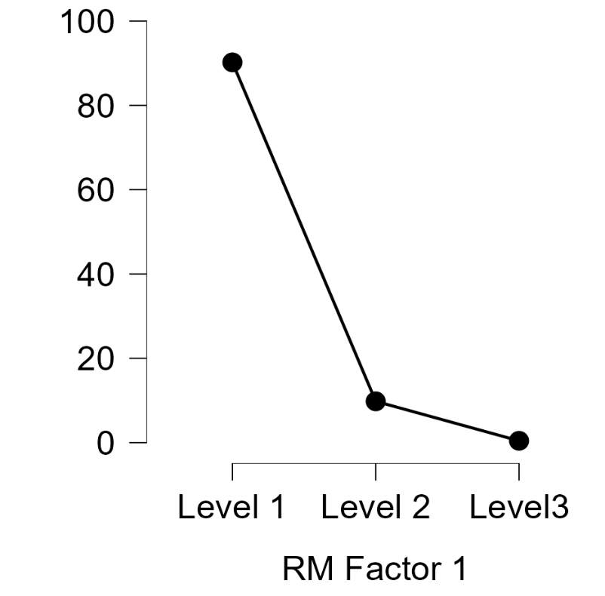
GO
 | GO | P | ACCURACY | RT
 |  | 1 | 98.039215686 | 0.40283159201
 |  | 2 | 100 | 0.3819037902
 |  | 3 | 98.039215686 | 0.39242084801
 |  | 4 | 100 | 0.4253060255
 |  | 5 | 100 | 0.38239742552
NO -GO
NO-GO
P | 1 | 2 | 3 | 4 | 5
ACCURACY | 93.87755102 | 97.959183673 | 81.632653061 | 93.87755102 | 83.673469388
ERROR RATE | 6.1224489796 | 2.0408163265 | 18.367346939 | 6.1224489796 | 16.326530612
RT | 0.46014949998 | 0.38227350009 | 0.38376822227 | 0.43411823331 | 0.48568208746
GO | P | ACCURACY | RT
 | 1 | 98.039215686 | 0.40283159201
 | 2 | 100 | 0.3819037902
 | 3 | 98.039215686 | 0.39242084801
 | 4 | 100 | 0.4253060255
 | 5 | 100 | 0.38239742552

NO-GO | P | ACCURACY | ERROR RATE | RT
 | 1 | 93.87755102 | 6.1224489796 | 0.46014949998
 | 2 | 97.959183673 | 2.0408163265 | 0.38227350009
 | 3 | 81.632653061 | 18.367346939 | 0.38376822227
 | 4 | 93.87755102 | 6.1224489796 | 0.43411823331
 | 5 | 83.673469388 | 16.326530612 | 0.48568208746

Go

 |  | Within Subjects Effects |  |  |  |  |  |  | no-go
 |  | Cases |  | Sum of Squares | df | Mean Square | F | p
 |  | RM Factor 1 |  | 24,412.85 | 1 | 24,412.85 | 42,273 | < .001 |  | Within Subjects Effects
 |  | Residuals |  | 2.31 | 4 | 0.578 |  |  |  | Cases | Sum of Squares |  | df |  | Mean Square |  | F |  | p
 |  |  |  |  |  |  |  |  |  | RM Factor 1 | 24,354.60 | ᵃ | 2 | ᵃ | 12,177.28 | ᵃ | 239.6 | ᵃ | < .001 | ᵃ
 |  | Note. Type III Sum of Squares |  |  |  |  |  |  |  | Residuals | 406.5 |  | 8 |  | 50.81

 |  |  |  |  |  |  |  |  |  | Note. Type III Sum of Squares
 |  |  |  |  |  |  |  |  |  | ᵃ Mauchly's test of sphericity indicates that the assumption of sphericity is violated (p < .05).

 |  | Descriptives
 |  | Descriptives |  |  |  |  |  |  |  | Descriptives
 |  | RM Factor 1 |  | N | Mean | SD | SE | Coefficient of variation |  | Descriptives
 |  | ACCURACY |  | 5 | 99.216 | 1.074 | 0.48 | 0.011 |  | RM Factor 1 | N |  | Mean |  | SD |  | SE |  | Coefficient of variation
 |  | RT |  | 5 | 0.397 | 0.018 | 0.008 | 0.045 |  | Level 1 | 5 |  | 90.204 |  | 7.128 |  | 3.188 |  | 0.079
 |  |  |  |  |  |  |  |  |  | Level 2 | 5 |  | 9.796 |  | 7.128 |  | 3.188 |  | 0.728
 |  |  |  |  |  |  |  |  |  | Level3 | 5 |  | 0.429 |  | 0.046 |  | 0.021 |  | 0.107
 |  | Descriptives plots

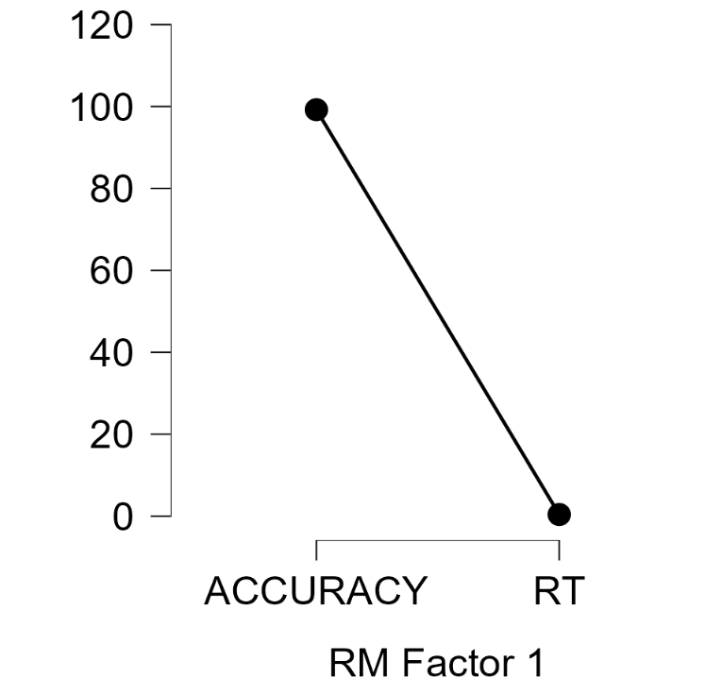
 |  |  |  |  |  |  |  |  |  | Descriptives plots

